EDA
Data Info
 | Recording | 记录002
 | Subject | 牟天琦
 | Create Time | 2024-07-04 10:23:33.253
 | Data Name | Finger8 EDA
 | Data Type | EDA
 | Sample Rate | 64
 | Segment | 后静息态
 | Start Time | 0:57:30
 | End Time | 1:02:30
 | Duration | 0:05:00

Replay Chart
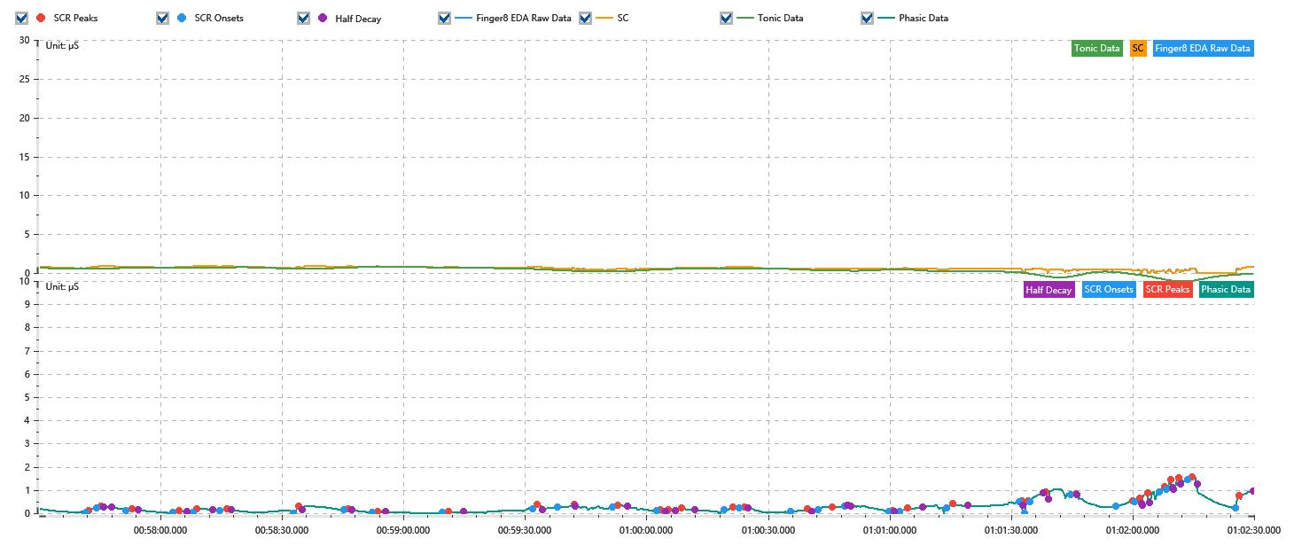

Process parameters
 | Filters
 | Smooth denoise | Enabled | 高斯 | 5(samples)
 | Lowpass filter | Enabled | 5μS
 | Skin Conductance Response
 | SCR extraction | Minimum SCR amplitude | 0.03μS
 | SCR extraction | Max rise time | 4s
 | SCR extraction | Max half decay time | 4s
 | SCR extraction | Peak dection sensitivity | 中
 | Event related activation | Window relative to event | 1s | 4s

Time Domain
 | Data | Mean | Max | Min | Std | Variance | Polar Distance | Data Length
 | SC | 0.61μS | 0.93μS | 0μS | 0.2μS | 0.04μS² | 0.93μS | 1200
 | Tonic | 0.35μS | 0.79μS | -1.08μS | 0.42μS | 0.18μS² | 1.86μS | 1200
 | Phasic | 0.26μS | 1.57μS | -0.02μS | 0.28μS | 0.08μS² | 1.59μS | 1200

SCR
 | OnsetTime | PeakTime | RiseTime | HalfDecayTime | Amp
 | 0.040065023148 | 0.040073703704 | 0.75s | 3.75s | 0.08μS
 | 0.040096851852 | 0.040108425926 | 1s | 2.75s | 0.05μS
 | 0.040180763889 | 0.040198125 | 1.5s | 1.5s | 0.07μS
 | 0.040313865741 | 0.040331226852 | 1.5s | 2s | 0.09μS
 | 0.040371736111 | 0.040383310185 | 1s | 3.75s | 0.17μS
 | 0.040446967593 | 0.040467222222 | 1.75s | 1.25s | 0.08μS
 | 0.040658194444 | 0.040672662037 | 1.25s | 1s | 0.27μS
 | 0.04080287037 | 0.040814444444 | 1s | 1s | 0.04μS
 | 0.040883888889 | 0.040898356481 | 1.25s | 2s | 0.05μS
 | 0.041083541667 | 0.041100902778 | 1.5s | 3.75s | 0.06μS
 | 0.041341064815 | 0.041355532407 | 1.25s | 1.25s | 0.16μS
 | 0.041413402778 | 0.041459699074 | 4s | 0.25s | 0.11μS
 | 0.041569652778 | 0.04158412037 | 1.25s | 2.5s | 0.08μS
 | 0.041696967593 | 0.041705648148 | 0.75s | 1.25s | 0.07μS
 | 0.041720115741 | 0.041728796296 | 0.75s | 1.75s | 0.05μS
 | 0.041749050926 | 0.041766412037 | 1.5s | 3.25s | 0.1μS
 | 0.041887939815 | 0.041913981481 | 2.25s | 3.75s | 0.11μS
 | 0.041931342593 | 0.041945810185 | 1.25s | 1s | 0.05μS
 | 0.042078912037 | 0.042125208333 | 4s | 1.25s | 0.12μS
 | 0.042157037037 | 0.042197546296 | 3.5s | 3.75s | 0.12μS
 | 0.042232268519 | 0.042243842593 | 1s | 0.5s | 0.05μS
 | 0.042359583333 | 0.042368263889 | 0.75s | 0.5s | 0.05μS
 | 0.042388518519 | 0.042411666667 | 2s | 3.75s | 0.18μS
 | 0.042524513889 | 0.042541875 | 1.5s | 3.75s | 0.2μS
 | 0.042729953704 | 0.042738634259 | 0.75s | 0.25s | 0.05μS
 | 0.042747314815 | 0.04275599537 | 0.75s | 3.75s | 0.53μS
 | 0.042761782407 | 0.042808078704 | 4s | 0.5s | 0.4μS
 | 0.042877523148 | 0.042891990741 | 1.25s | 0.25s | 0.05μS
 | 0.043007731481 | 0.043054027778 | 4s | 2.5s | 0.21μS
 | 0.043059814815 | 0.043074282407 | 1.25s | 0.5s | 0.14μS
 | 0.043082962963 | 0.043097430556 | 1.25s | 0.5s | 0.53μS
 | 0.043132152778 | 0.04314662037 | 1.25s | 2.25s | 0.23μS
 | 0.043152407407 | 0.043163981481 | 1s | 0.5s | 0.39μS
 | 0.043172662037 | 0.04318712963 | 1.25s | 0.5s | 0.49μS
 | 0.043213171296 | 0.04322474537 | 1s | 1.25s | 0.13μS
 | 0.043349166667 | 0.043357847222 | 0.75s | 3.5s | 0.55μS

Event Related
 | Event Group | Event Name | Event Description | EventTime | SCRCount | Latency | AmpSum | SCL | Half Decay Time Avg. | Rise Decay Time Avg.
 | Custom | 后静息态采集开始 |  | 0.039931899874 | 0 | 0s | 0μS | 0.63μS | 0s | 0s

